Considerations & Questions
Consideration & questions :
-- Based on the crop determine how much the soil moister should be |  | https://soilsensor.com/soil/soil-moisture-and-irrigation/
-- Check how much we getting from sensor |  |  | Work
-- How to use weather data in decission making ? -- need clarification |  |  | Backend Coding |  | Vijayalakshmi | Karthik | Chinmoy | Joel
-- Calculate how much water required for the difference in moister |  |  | AWS Configuration + NodeRED |  | Vijayalakshmi | Karthik | Chinmoy
-- How the moister will change based on the water ? -- need clarification |  |  | User Portal UI |  |  |  | Chimoy
-- How temperature being used ? |  |  | Documentation

Tech Implementation steps :

We can use EC2 only as we are making decission on historical data. Also this is cost effective compare to Lamda
All sensor will send data to MQTT and we store those though Stream into Dynamo DB
In EC2 have cron job that will run each 5 min and create 5 jobs in SQS (as we have 5 sprinklers )
Each job, corrospond to each sprinklers, will pull the data for its 4 sensors for last 5 min and then may be if 3 among 4 sensors data cross the thresold to activate the water then only we can send ON signal to the sprinkler
Once the job made the decision , the payload pushed to MQTT and then from stream data update device status in DynamoDB

Table Schema
 | devices |  |  | Assumptions
 | device_id |  |  | Example :
 | device_type | soil sensor (ss) or sprinkler (sp) |  | The soil is a silt, crop is Cucumber, the MAD is 50%, and the soil moisture is 20% throughout the root zone which is down to 24 cm. The sprinkler is 75% efficient. How much water should be applied?
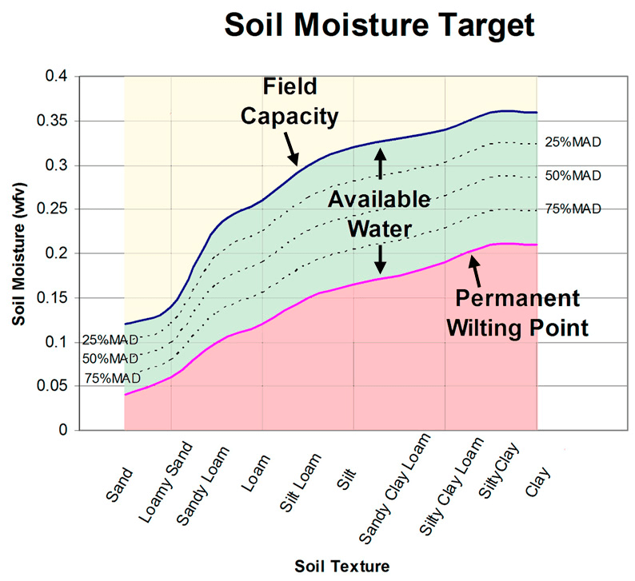
 | ss_device_ids | this will have all SS device ids with comma in case its a sprinkler deivice
 | device_status |  |  | Answer:
 | timestamp |  |  | From the table above, the MAD = 0.5. From the graph (or a soil survey) the permanent wilting point (θPWP) = 16% and the field capacity (θFC) is 32%. Using the three equations above, the optimal soil moisture is 24% to 32%. θFC – θ = 32% – 16% = 16%. Therefore, the soil needs to be irrigated to increase the soil moisture by 16% down to 24 cm, 16% X 24 cm = 3.8 cm of water applied.
 | [ We can store the cerificate details for the things with this table if required ] |  |  | If the sprinkler is 75% efficient then 3.8 cm/0.75 = 5.12 cm of water should be applied. Note the rate of water coming out of the sprinkler should not exceed the infiltration rate of the soil and the run time of the sprinklers would depend on the specification of the sprinkler.

 | soildata |  |  |  |  | Crop | Maximum Allowable Depletion (MAD) | Effective Root Depth (Inches)
 | device_id |  |  |  |  | Apples | 75% | 36
 | timestamp |  |  |  |  | Blueberries | 50% | 18
 | value_moister |  |  |  |  | Carrot | 50% | 18
 |  |  |  |  |  | Cauliflower | 40% | 18
 | sprinkler_actions |  |  |  |  | Cucumber | 50% | 24
 | device_id |  |  |  |  | Grass | 50% | 7
 | timestamp |  |  |  |  | Green beans | 50% | 18
 | status |  |  |  |  | Leafy greens | 40% | 18
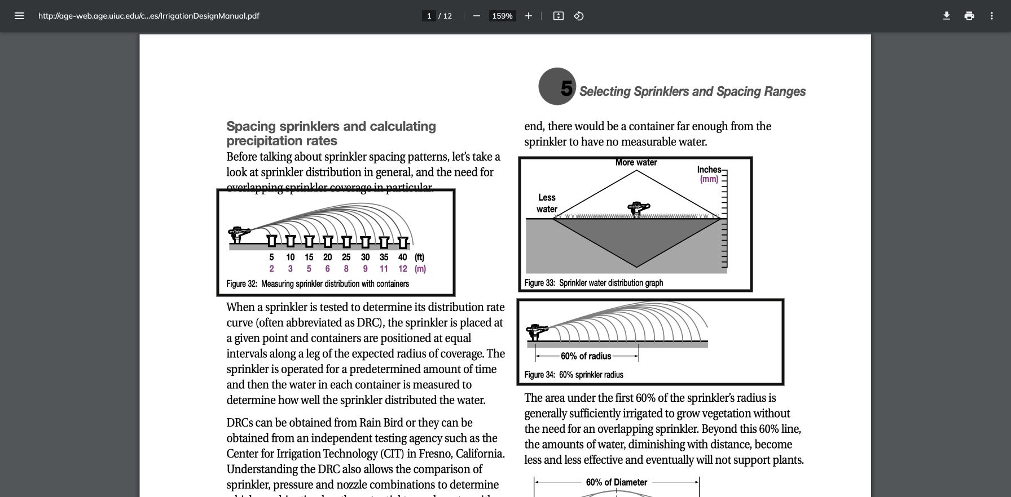
 | value_moister_on_action |  |  |  |  | Peppermint | 35% | 24
 | value_weather_data_on_action |  |  |  |  | Potato | 35% | 35
 | (just for log in case anythong goes wrong , this will help to track back the decision ) |  |  |  |  | Strawberry | 50% | 12
 |  |  |  |  |  | Sweet corn | 50% | 24
Sensor | https://www.amazon.in/DIGITAL-TEMPERATURE-HUMIDITY-COMPATIBLE-ARDUINO/dp/B07FSPW4VK/ref=sr_1_8?dchild=1&keywords=Humidity+Sensor&qid=1634983946&qsid=260-8589557-6691156&sr=8-8&sres=B07V1GJFK5%2CB01LTHYX0U%2CB01MXRT9DZ%2CB07FSPW4VK%2CB0972Y182F%2CB072FJBF9T%2CB08BRYXCYZ%2CB07VVHGDQ4%2CB07W1WNDQC%2CB07HN7V2PT%2CB01AV14S00%2CB00O8RIYYU%2CB084DWRKWR%2CB07W1X5L6M%2CB07PBHBLJL%2CB083ZX655K%2CB01DM8Y8MC%2CB01HI9G9ZU%2CB07GTMRBZ8%2CB072TD6NHB |  |  |  |  | Table beet | 50% | 18
 | https://robu.in/product/soil-moisture-meter-soil-humidity-sensor-water-sensor-soil-hygrometer-ardunio/ |  |  |  |  | Winter squash | 60% | 36

Architecture Diagram
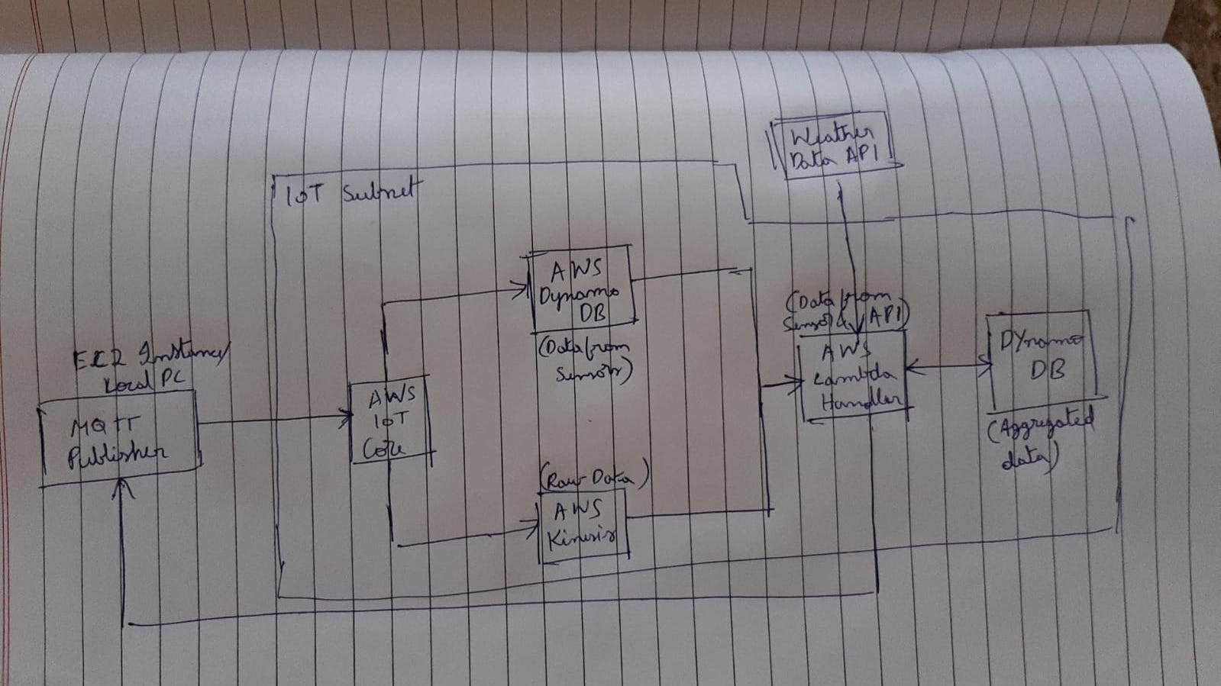
Agri-Tech-Farm Water Management

 | FInal Diagram - V2

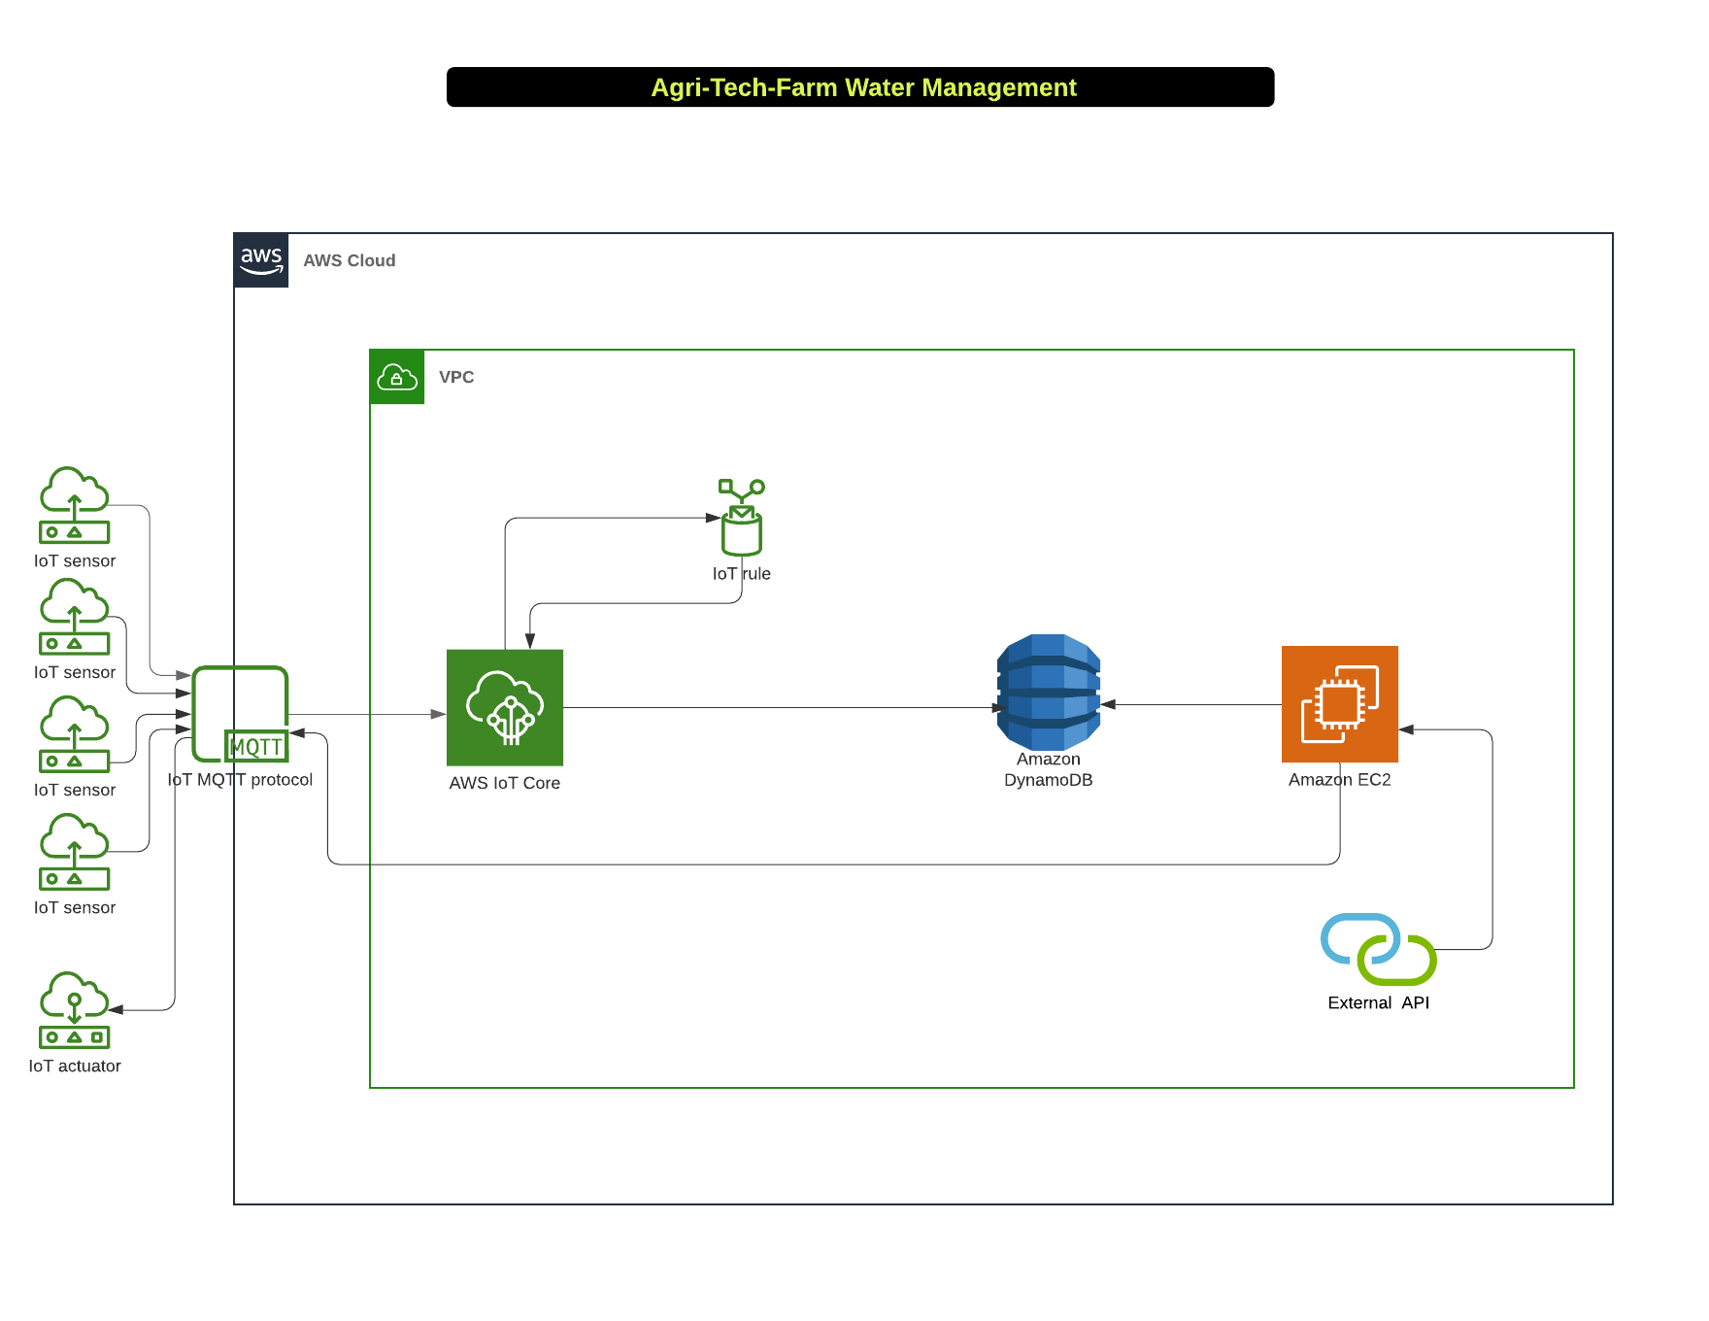

 | Initial Diagram - V1

